Exhaust Flange
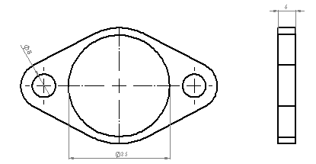
University | Hacettepe University |  |  |  |  |  |  |  | Car # | 106 |  | Part Cost | $8.22
System | Engine & Engine Control Unit |  | FileLink1 |  |  |  |  |  |  |  |  | Qty | 1
Assembly | Exhaust Assembly |  | FileLink2 |  |  |  |  |  | FileLink1
Part | Exhaust Flange |  | FileLink3 |  |  |  |  |  | FileLink2 |  |  | Extended Cost | $8.22
P/N Base | 2003 |  |  |  |  |  |  |  | FileLink3
Suffix | AA
Details | Exhaust Flange

ItemOrder | Material | Use | UnitCost | Size1 | Unit1 | Size2 | Unit2 | Area Name | Area | Length | Density | Quantity | Sub Total
10 | Steel (per kg) | Flange Material | $2.25 | 0.16 | kg |  |  |  |  |  |  | 1 | $0.36

 |  |  |  |  |  |  |  |  |  |  |  | Sub Total | $0.360

ItemOrder | Process | Use | UnitCost | Unit | Quantity | Multiplier | Mult. Val. | Sub Total
10 | Machining | Material Removal | $0.04 | cm^3 | 15.7 | Material - Steel | 3 | $1.88
 |  |  |  |  |  |  | Sub Total | $1.88

ItemOrder | Fastener | Use | UnitCost | Size1 | Unit1 | Size2 | Unit2 | Quantity | Sub Total
10 | Bolt, Grade AN |  | 0.41 | 8.00 | mm | 25 | mm | 8 | $3.28
20 | Nut, Grade AN |  | 0.3 | 8.00 | mm |  |  | 9 | $2.70
 |  |  |  |  |  |  |  | Sub Total | $5.98

ItemOrder | Tooling | Use | UnitCost | Unit | Quantity | PVF | FracIncld | Sub Total

 |  |  |  |  |  |  | Sub Total | 0

Exhaust Muffler
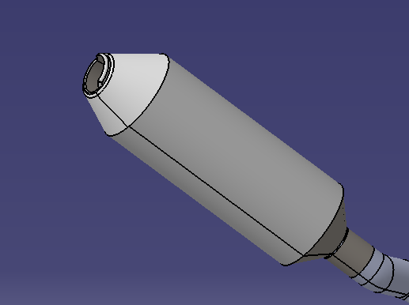
University | Hacettepe University |  |  |  |  |  |  |  | Car # | 106 |  | Part Cost | $22.63
System | Engine & Engine Control Unit |  | FileLink1 |  |  |  |  |  |  |  |  | Qty | 1
Assembly | Exhaust Assembly |  | FileLink2 |  |  |  |  |  | FileLink1
Part | Exhaust Muffler |  | FileLink3 |  |  |  |  |  | FileLink2 |  |  | Extended Cost | $22.63
P/N Base | 2005 |  |  |  |  |  |  |  | FileLink3
Suffix | AA
Details | Student Built Muffler

ItemOrder | Material | Use | UnitCost | Size1 | Unit1 | Size2 | Unit2 | Area Name | Area | Length | Density | Quantity | Sub Total
10 | Steel (per kg) | Exhaust | $2.25 | 0.6 | kg |  |  |  |  |  |  | 1.00 | $1.35
20 | Muffler Batting | Paching, Muffler | $0.00 | 45 | cm^3 |  |  |  |  |  |  | 1.00 | $0.14
30 | Steel (per kg) | Cap Off Each End | $2.25 | 0.1 | kg |  |  |  |  |  |  | 1.00 | $0.23
 |  |  |  |  |  |  |  |  |  |  |  |  | $-
 |  |  |  |  |  |  |  |  |  |  |  |  | $-
 |  |  |  |  |  |  |  |  |  |  |  |  | $-
 |  |  |  |  |  |  |  |  |  |  |  |  | $-
 |  |  |  |  |  |  |  |  |  |  |  | Sub Total | $1.710

ItemOrder | Process | Use | UnitCost | Unit | Quantity | Multiplier | Mult. Val. | Sub Total
10 | Tube Bends | Bend Shape | $0.75 | bend | 7 |  |  | $5.25
20 | Weldment Preparation | Each End | $0.75 | cm | 18 |  |  | $13.50
30 | Weld | Flange Weld | $0.15 | cm | 10 |  |  | $1.50
 |  |  |  |  |  |  |  | $-
 |  |  |  |  |  |  |  | $-
 |  |  |  |  |  |  |  | $-
 |  |  |  |  |  |  |  | $-
 |  |  |  |  |  |  |  | $-
 |  |  |  |  |  |  | Sub Total | $20.25

ItemOrder | Fastener | Use | UnitCost | Size1 | Unit1 | Size2 | Unit2 | Quantity | Sub Total
 |  |  |  |  |  |  |  |  | $-
 |  |  |  |  |  |  |  | Sub Total

ItemOrder | Tooling | Use | UnitCost | Unit | Quantity | PVF | FracIncld | Sub Total
10 | Welds - Welding Fixture |  | $500 | point | 4 | 3000 | 1 | $0.67

 |  |  |  |  |  |  | Sub Total | $0.67

Throttle Body
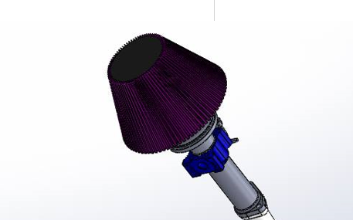
University | Hacettepe University |  |  |  |  |  |  |  | Car # | 106 |  | Part Cost | $44.08
System | Engine & Engine Control Unit |  | FileLink1 |  |  |  |  |  |  |  |  | Qty | 1
Assembly | Air Intake Assembly |  | FileLink2 |  |  |  |  |  | FileLink1
Part | Throttle Body |  | FileLink3 |  |  |  |  |  | FileLink2 |  |  | Extended Cost | $44.08
P/N Base | 2008 |  |  |  |  |  |  |  | FileLink3
Suffix | AA
Details | Aluminum Throttle Body

ItemOrder | Material | Use | UnitCost | Size1 | Unit1 | Size2 | Unit2 | Area Name | Area | Length | Density | Quantity | Sub Total
10 | Aluminum |  | $4.20 | 0.33 | kg |  |  |  |  |  |  | 1.00 | $1.39
20 | Cable Adjuster |  | $1.00 |  |  |  |  |  |  |  |  | 1.00 | $1.00
30 | Cable, Push/Pull |  | $35.00 |  |  |  |  |  |  |  |  | 1.00 | $35.00
 |  |  |  |  |  |  |  |  |  |  |  |  | $-
 |  |  |  |  |  |  |  |  |  |  |  |  | $-
 |  |  |  |  |  |  |  |  |  |  |  | Sub Total | $37.386

ItemOrder | Process | Use | UnitCost | Unit | Quantity | Multiplier | Mult. Val. | Sub Total
10 | Machining |  | $0.04 | cm^3 | 60 | Material - Aluminum | 1 | $2.40
20 | Drilled Holes |  | $0.35 |  | 1 |  | 1 | $0.35
30 | Ratchet |  | $0.50 |  | 1 |  | 1 | $0.50
 |  |  |  |  |  |  |  | $-
 |  |  |  |  |  |  |  | $-
 |  |  |  |  |  |  |  | $-
 |  |  |  |  |  |  |  | $-
 |  |  |  |  |  |  |  | $-
 |  |  |  |  |  |  | Sub Total | $3.25

ItemOrder | Fastener | Use | UnitCost | Size1 | Unit1 | Size2 | Unit2 | Quantity | Sub Total
10 | Nut, Grade AN | Nut | 0.21 | 6.35 | mm |  |  | 8 | $1.68
20 | Bolt, Grade AN | Bolt | 0.22 | 6.35 | mm | 20 | mm | 8 | $1.76
 |  |  |  |  |  |  |  |  | $-
 |  |  |  |  |  |  |  |  | $-
 |  |  |  |  |  |  |  |  | $-
 |  |  |  |  |  |  |  |  | $-
 |  |  |  |  |  |  |  |  | $-
 |  |  |  |  |  |  |  |  | $-
 |  |  |  |  |  |  |  | Sub Total | $3.44

ItemOrder | Tooling | Use | UnitCost | Unit | Quantity | PVF | FracIncld | Sub Total

 |  |  |  |  |  |  | Sub Total | $-

